Step 1
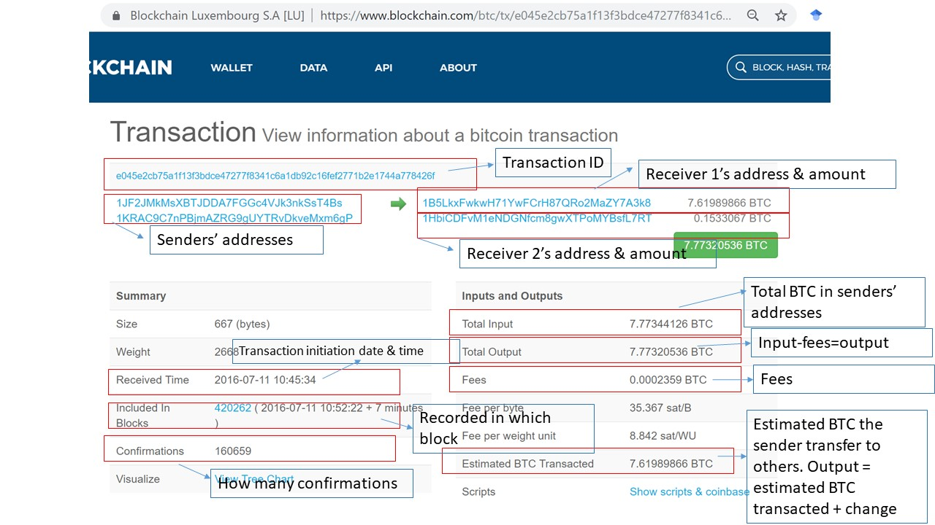
What do we want? | How? (Two ways) | Figure 1: an example BLK data | Figure 2: an example of blockchain.com webpage.
Detailed information about bitcoin transactions including input addressses, output addresses, date and time, transaction values etc.. | Option # 1 (preferred way): decode blk data (about 300 GB) from Bitcoin blockchain. See figure 1 for an example of the raw data. An explanation of blk file is here: https://learnmeabitcoin.com/glossary/blkdat#od
 | Option #2: Blockchain.com has already decoded the blk data, so we can also crawl data from the website (simply input an transaction ID, and the website will return all information we need about this transaction). See Figure 2 for an illustration. We actually already partially decoded the blk file to obtain all the transaction IDs. The Python code to crawl data is ready. | 